ChickenMeatForm
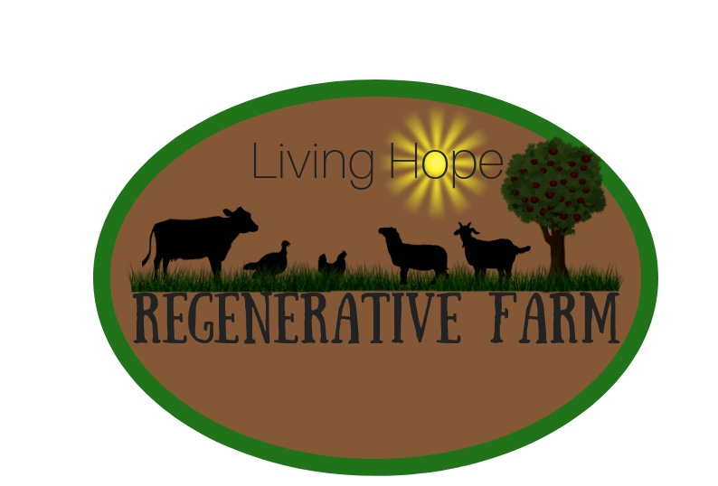
2020 Order Form |  |  |  | 717-250-0096
Non-GMO Natural Chicken & Turkey Meat |  |  |  | 717-454-5151
*No Additives, No Antibiotics ever given |  |  |  | 101 W Reistville Rd
Chemical Free Chicken & Turkey |  |  |  | Myerstown PA 17067
website; | www.lhrfarm.com
Name; |  | Date;
Address; |  | Phone #
City; |  | Email;
Check for monthly orders
We Plan to Have Fresh Chicken in May,August,& Sept.
 | Remember to fill your freezers for the winter as we are not growing chicken in the winter |  |  |  | Prefered Pickup
QTY. | Description | Unit $ |  | Amount $ | Date;
 | pk. 4-4.9 lb Whole chicken dressed | $3.75 | 4-4.9 lb. Package | $-
 | pk. 5-5.9 lb Whole chicken dressed | $3.75 | 5-5.9 lb. Package | $-
 | lb. 2 piece Chicken Legs & Thighs /pk.(1.5-2 lb.) | $4.25 | Per pound | $-
 | lb. 1 piece Chicken Boneless Breast/pk.(1.5-2 lb) | $6.75 | Per pound | $-
 | lb. Chicken Tenders | $7.50 | Per pound | $-
 | lb. 6 piece Chicken Wings (1.5-2 lbs.) | $4.50 | Per pound | $-
 | lb. Chicken backs | $1.50 | Per pound | $-
 | lb. Chicken feet | $1.50 | Per pound | $-
 | lb. Chicken Liver | $1.00 | Per pound | $-
 | lb. Chicken Hearts | $3.00 | Per pound | $-
 | lb. Chicken Gizzards | $10.50 | Per pound | $-
 | Pt. Chicken & Turkey Broth | $7.00 | Pint | $-
 | Qt. Chicken & Turkey Broth | $12.00 | Qt. | $-
 | 12-20 lb Whole Turkey | $3.75 | Per pound | $-
 | lb. Turkey Breast | $6.75 | Per pound | $-
 | lb. Turkey tenders | $7.50 | Per pound | $-
 | lb. Turkey Wings & Drumsticks | $3.75 | Per pound | $-
 |  |  |  | over>
QTY. | Description | Unit $ |  | Amount $ | Date;
 | lb. Turkey Backs & Feet | $1.50 | Per pound | $-
 | lb. Turkey Liver & Gizzards | $2.00 | Per pound | $-
 | lb. Turkey Hearts | $3.00 | Per pound | $-
 | lb. Turkey Sausage & Ham | $7.50 | Per pound | $-
 | dozen Pastured Large Brown Eggs | $3.00 | doz. | $-
 | Grass Fed Beef- Available to Order for July./2020
 | Whole,Half,Quarter, Eighth sizes | $4.00 | per pound

 |  | Subtotal |  | $-
 | 20% | Downpay |  | $-

 | After down payment; | Total |  | $-
Terms; Finance Charge 2% per month after 15 days
Thank-you

2021OrderForm
 | 2021 Order Form
Name; |  |  |  |  | www.lhrfarm.com
Address; |  |  |  |  | lhrfarm20@outlook.com
Phone # |  | Email; |  |  | Check to be added on email list
 | Thanksgiving Turkey Orders to be fulfilled the week before Thanksgiving
Pickup Month: | Check One | June October |  | 20% deposit | $

 | Non GMO Pasture Raised Chicken & Turkey |  |  |  | Balance due on pickup day
Quantity | Description | Price |  | Quantity | Description | Price.
 | (4 #) Whole Chicken $3.75/lb | $15.00 | Pk. |  | Organic Pastured Soy-Free Eggs $5/dozen | $5.00 | dozen
 | (5#) Whole Chicken 3.75/lb | $18.75 | Pk. |  | Process Turkey No Nitrates |  |  | GrassFed Beef
 | 1.5# /pk BonelessBreast @ $6.50/lb | $6.50 | Lb. |  | Turkey Sausage Griller links Mild Country, Apple, Maple, Cracked Pepper, Old Fashioned, sweet & Hot Italian, Sage | $7.25 | Lb. | Wholes,Halves,Quarters,Eights | $4.00
 | Ground Chicken $7./lb | $7.00 | Lb. |  | Turkey Sausage with cheese- links,& grillers avail. | $7.75 | Lb. | Pasture Raised Eggs | Dozen
 | Legs & Thighs 1.5# pk @ $4.25/# | $4.25 | Lb. |  | Breakfast Links Sage, Maple, Apple, Cracked Pepper | $7.25 | Lb. | GMO Free Eggs --- $3/dozen | $3.00
 | Wings 6 pc. 1.5# pk @ $4.50/# | $4.50 | Lb. |  | Ground Turkey | $7.00 | Lb.
 | Hearts 1# pk @ $3 /# | $3.00 | Lb. |  | Turkey Ham( Ground, Fully Cooked) unsliced 1# or 12# roll | $8.25 | Lb.
 | Chicken Liver 1# pk @ $1.50 /# | $1.50 | Lb. |  | Sliced Turkey Ham( Ground, Fully Cooked) 1# packs | $8.75 | Lb.
 | Backs/ Carcass 1 pc approx. 1 # | $1.50 | Lb. |  | Cured & Smoked Turkey Breast (Fully Cooked) | $8.00 | Lb.
 | Feet 1 # pk @ $1/# | $1.00 | Lb. |  | Bundle Packages
 | 12-18 lb. Thanksgiving turkey $3.75/lb. | $3.75 | Lb. |  | 30 Lbs. Whole chicken for $100 ($3.33/lb) | $100.00 | Pk Deal
 | 18-25 lb Thanksgiving turkey $3.75/lb. | $3.75 | Lb. |  | 60 Lbs. Whole chicken for $195 ($3.25/lb.) | $195.00 | Best Value!
 | Smoked Turkey add $6 / bird (partially Cooked) | $6.00 | Bird |  | 30 Lbs. Chicken Legs for $120 ( $4/lb) | $120.00 | Pk Deal
 | Turkey Wings | $4.00 | Lb. |  | 30 lbs Chicken Wings for $120 ( $4/lb.) | $120.00 | Pk Deal
 | Turkey Drumsticks | $4.00 | Lb. |  | 30 lbs Boneless Breast for $190 ($6.33/lb.) | $190.00 | Pk Deal
 | Turkey Backs/ Carcass 1 pc approx. 1 # | $1.50 | Lb. |  | 30 lbs. Turkey wings for $100 ($3.33/lb.) | $100.00 | Pk Deal
 | Turkey Hearts 1# pk @ $3 /# | $3.00 | Lb. |  | 30 lbs. Turkey wings for $100 ($3.33/lb.) | $100.00 | Pk Deal
 | Turkey Liver 1# pk @ $1.50 /# | $1.50 | Lb.
BesValue!
 | Turkey Feet 1 # pk @ $1/# | $1.00 | Lb. |  | Now taking orders for beef in July & August 2021
 | Taking orders now for Pork in late summer 2021 |  |  |  | Grassfed Beef
 | Pasture Raised Pork |  |  |  | 1/4 Steer Prime Beef $3.95 hanging wt. plus butchering cost | $200.00 | deposit
 | Half Pig $4.25/ lb hanging wt. | $100.00 | deposit |  | 1/2 Steer Prime Beef $3.75 hanging wt. plus butchering cost | $400.00 | deposit
 | Whole Pig $4/ lb hanging wt. | $200.00 | deposit |  | Whole Steer Prime Beef $3.95 hanging wt. plus butchering cost | $600.00 | deposit
 |  |  |  |  | Beef Bones @ $5/lb
 | *Prices are subject to change without notice

 |  |  |  |  |  |  |  | Eph & FannyRuth Stoltzfus
 |  |  |  |  |  |  |  | 101 W. Reistville Rd.
 |  |  |  |  |  |  |  | Myerstown PA 17067
 |  |  |  |  |  |  |  | 717-250-0096
 |  |  |  |  |  |  |  | lhrfarm20@outlook.com
 |  |  |  |  |  |  |  | www.lhrfarm.com

